Summary
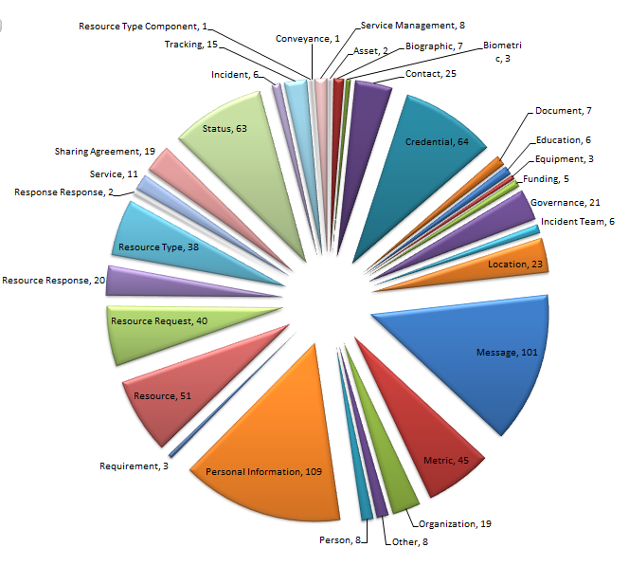
NIEM 3.2 NIEM EM Data Modal Phases
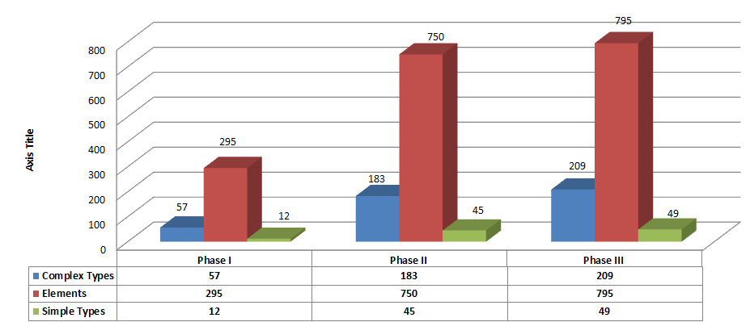
NIEM EM 3.0
Type of Attributes | Count
Elements | 295
ComplexTypes | 57
SimpleTypes | 12
Total | 364

NIEM EM 3.1.1 Phase II
Type of Attributes | Count
Elements | 750
ComplexTypes | 183
SimpleTypes | 45
Total | 978

NIEM EM 3.1.1 Phase III
Type of Attributes | Count
Element | 795
ComplexTypes | 209
SimpleType | 49 | Total | 364 | 978 | 1053
Grand Total | 1053
NIEM 3.0 Elements based on DHS EM Conceptual Data Modal

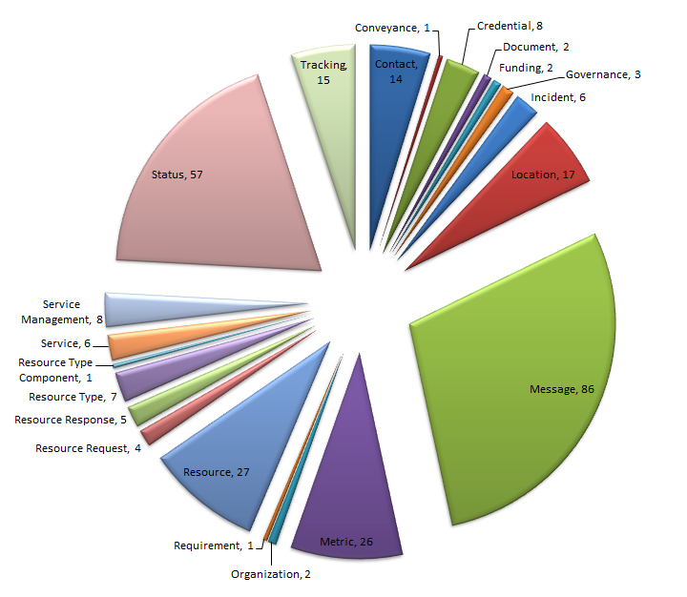

NIEM 3.1 Phase II Elements based on DHS EM Conceptual Data Modal

